Logic-OOALV Report
Object Description |  | Need a report with functionality to display PM Object Location and Equipment Segment Details in OOALV format. The first OOALV should be of PM Object Location and Account Assignment. If we double click on TPLNR field it should display Functional location description. If we double click on ILOAN field it should display Equipment time segment ALV. There should 'Display Form' button on first screen which will print form of all details together

Logic for Report
1 | select fields of ZILOA tables to display first OOALV
2 | The ILOAN column of ALV should be red in colour and TPLNR column should be green in colour
3 | On Double click on TPLNR the second screen should appear to display the fields of IFLOTX table
4 | On Double click on ILOAN the third screen should appear to display the fields of EQUZ table
5 | There should be 'Display Form' Button present on first screen which will display the data together for selected fields using join between 3 tables
6 | All the OOALV screen should be designed using OOALV
7 | The ZILOA table ALV and ZIFLOTX table ALV should be designed using field catlogs, hence all the standard ALV button should be present on ALV window
8 | The ZEQUZ table ALV should not be designed using field catlogs
9 | The standard BACK, LEAVE and EXIT button shoould work accordingly
10 | Check screenshots below to design ALV screens and Adobeform
11 | Check Adobeform tab for guidelince of Adobeform
12 | Check Table window for creating tables and TMG window for data to pass into tables using TMG

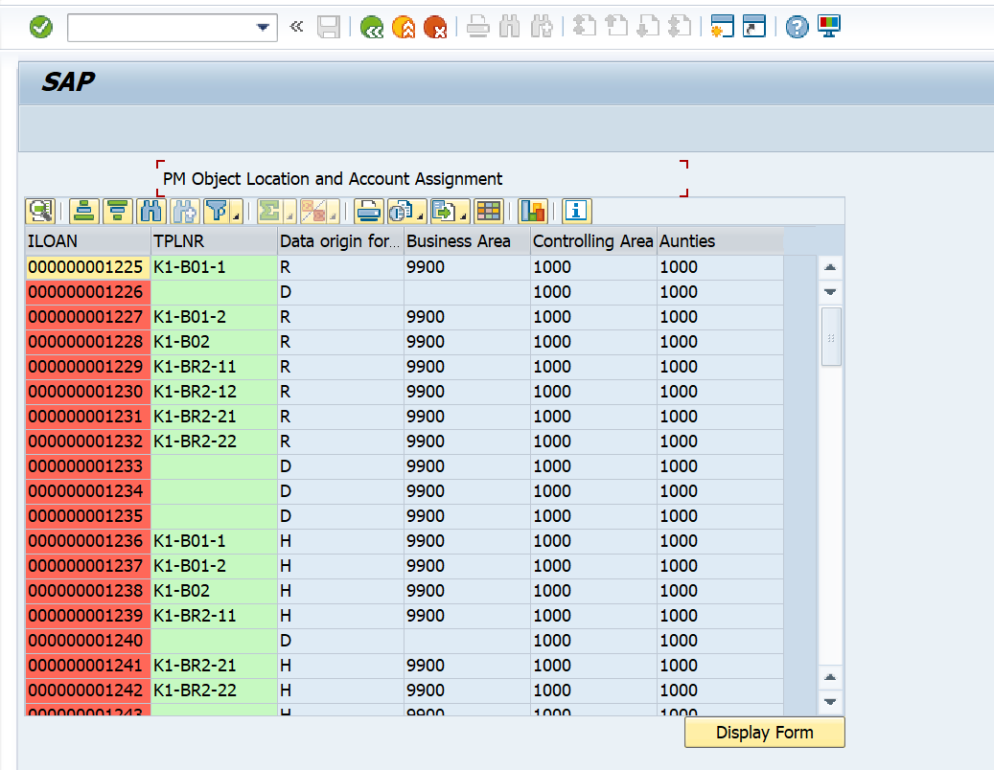
Screenshots |  |  | First OOALV | Second OOALV
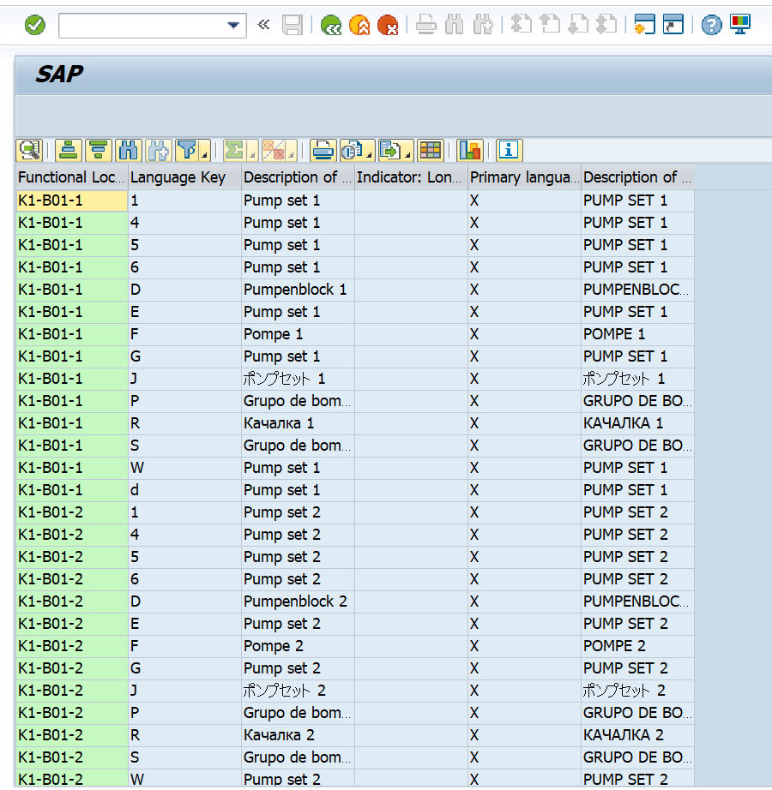

 |  |  | Third OOALV | Adobeform
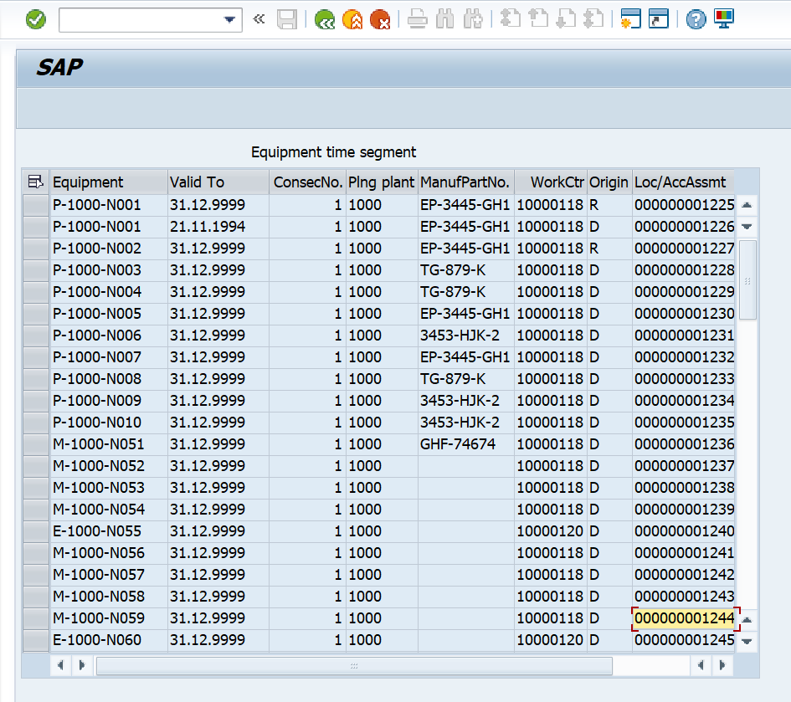
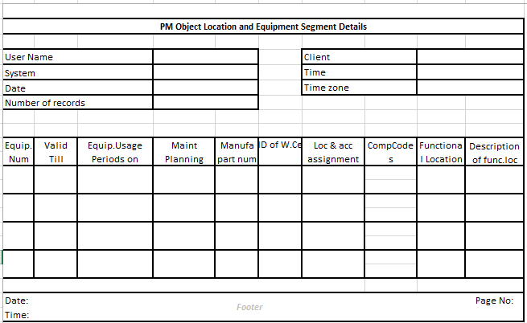

Logic to retrieve data from tables
 | How to retrieve data from Three Tables?
 | 1. In first select query ( ZILOA - ILOAN, TPLNR, ABCKZI, GSBER, KOKRS, BUKRS) upto 100 ROWS
 | 2. In second select query ( ZIFLOTX - TPLNR, SPRAS, PLTXT, KZLTX, KZMLA, PLTXU) for all enteies in first table where Tplnr = ILOA - TPLNR
 | 3. In Third select query ( ZEQUZ - EQUNR, DATBI, EQLFN, IWERK, MAPAR, GEWRK, GEWRKI, ILOAN) for all enteies in first table where ILOAN = ILOA - ILOAN

